1. Title Page
[Instacart Grocery Basket Analysis]

Project Name: Instacart Grocery Basket Analysis
Date: 27/02/2023
Analyst Name: Simone Calabro

Contents:
Population Flow
Consistency checks
Wrangling steps
Column derivations
Visualizations
Recommendations

Citation:
Instacarts datasets:
● Customers Data Set
● Data Dictionary
● “The Instacart Online Grocery Shopping Dataset 2017”, accessed from https://www.instacart.com/datasets/grocery-shopping-2017 on 14/02/2023.
Note: Instacart is a real company that’s made their data available online. However, the contents of this project brief have been fabricated for the purpose of this Achievement.

2. Population Flow
Title page

Population flow

Exclusion flag
Condition: max_order < 5
Obervations to be removed: I removed first_name and last_name columns from the Customers dataframe for security reasons, because they contained PII.
Final total count of order_products_all: 29.303.281 (38 columns)

Orders_products_combined
Orders_products_merged
Orders_products_all

Total: 30.356.421
Total: 30.328.763
Total: 30.328.763

1.) The grey boxes in the first row of the population flow represent the original data sets as they were when you downloaded them. In the Total fields you need to add the count of the rows when you imported the data set into Jupyter.
2.) The second row of boxes (coloured) represents the data sets after you manipulated them, e.g., removed missing values and duplicates. In the Total fields you need to add the count of the rows after conducting these operations. This offers a visual oveview of how the data flows throughout the data consistency checks.
3.) The third row, where also the arrows are coloured, represents the merges you performed between the datasets. In the Total fields you need to add the count of the rows in the merged datasets, so that you end up with the final dataset (in the red box). Keep in mind the final dataset should be without exclusions (based on the exclusion flag).

3. Consistency checks
 |  |  |  | Title page
Consistency checks

Dataset | Missing values | Missing values treatment | Duplicates
orders | 206209 (6% of total rows) | A new dataframe has been created to filter out the missing values. | No duplicates found.
products | 16 | A new dataframe has been created to filter out the missing values. | 5 duplicates found and removed.
orders_products_prior | / | / | /
customers | No missing values found. | / | No duplicates found.

4. Wrangling steps
 |  |  |  |  | Title page
Wrangling steps

Dataset | Columns dropped | Columns renamed | Columns' type changed | Comment/Reason
Orders | eval_set |  |  | Not useful for the purpose of the analysis.
Orders |  | order_dow (renamed to: orders_day_of_week) |  | Name was not intuitive.
Orders |  | order_hour_of_day (renamed to: order_hour_of_creation) |  | Changed for cosmetic reasons.
Orders |  |  | order_id (changed to: string) | Contains number but is an idenfier, so a "string" datatype is a better fit.
Orders |  |  | user_id (changed to: string) | Contains number but is an idenfier, so a "string" datatype is a better fit.
Orders |  |  | order_number (changed to: string) | Contains number but is an idenfier, so a "string" datatype is a better fit.
Products |  |  | product_id (changed to: string) | Contains number but is an idenfier, so a "string" datatype is a better fit.
Products |  |  | aisle_id (changed to: string) | Contains number but is an idenfier, so a "string" datatype is a better fit.
Products |  |  | department_id (changed to: string) | Contains number but is an idenfier, so a "string" datatype is a better fit.
Customers |  | First Name (renamed to: first_name) |  | Changed to follow the same structure of the main dataframe (lowercase + underscore)
Customers |  | Surnam (renamed to: last_name) |  | Changed to follow the same structure of the main dataframe (lowercase + underscore)
Customers |  | Gender (renamed to: gender) |  | Changed to follow the same structure of the main dataframe (lowercase + underscore)
Customers |  | STATE (renamed to: state) |  | Changed to follow the same structure of the main dataframe (lowercase + underscore)
Customers |  | Age (renamed to: age) |  | Changed to follow the same structure of the main dataframe (lowercase + underscore)
Customers |  | n_dependants (renamed to: number_dependants) |  | Name was not intuitive.
Customers |  |  | user_id (changed to: string) | Contains number but is an idenfier, so a "string" datatype is a better fit. Also, this column is the key needed to merge the two dataframes, so needs to be the same datatype as user_id in the main dataframe (which is a string).
Customers |  |  | first_name (changed to: string) | The column contained mixed-type data.
Customers | first_name |  |  | Dropped for security reasons. The column contained personally identifiable information (PII).
Customers | last_name |  |  | Dropped for security reasons. The column contained personally identifiable information (PII).

5. Column derivations
 |  |  |  | Title page

Column derivations and aggregations

In this tab you should add tables below that shows the frequences of flags/label variables that you produced after deriving them. NB: don't do this for continuous variables, only for flags.
price_label count of values:
busiest_day count of values:
Dataset | New column | Column/s it was derived from | Conditions
orders_products_merged | price_label | prices | Flags products according to price range, with the following conditions: If the price of a product is <= 5: "Low-range product". If the price of a product is > 5 and <= 15: "Mid-range product". If the price of a product is > 15: "High-range product".
orders_products_merged | busiest_day | orders_day_of_week | Flags days according to busiest day and least busy day. The day with the highest frequency is Saturday, flagged as "Busiest day". The day with the lowest frequency is Wednesday, flagged as "Least busy". All other days have been flagged as "Regularly busy".
busiest_period_of_day count of values:
busiest_days count of values:
orders_products_merged | busiest_days | orders_day_of_week | Flags days according to busiest day and least busy day. The days with the highest frequency are Saturday and Sunday, flagged as "Busiest day". The day with the lowest frequency are Tuesday and Wednesday, flagged as "Least busy". All other days have been flagged as "Regularly busy".
loyalty_flag count of values:
spending_flag count of values:
orders_products_merged | busiest_period_of_day | order_hour_of_creation | Flags hours according to hours with most orders and fewest orders. Hours with highest frequency are from 9 to 16. Flagges ad "Most orders". Hours 7 and 8, and from 17 to 23 have medium frequency. Flagged as "Average orders". Hours from 0 to 6 have the lowest frequency. Flagged as "Fewest orders".
orders_products_merged | max_order | order_number | The column contains the max value of "order_number" column, grouped by user_id.
order_frequency_flag count of values:
region count of values:
orders_products_merged | loyalty_flag | max_order | Flags users according to "max order" number. If the max order value of a user is > 40, then that user is a "Loyal Customer". If the max order value of a user is > 10 and <= 40, then that user is a "Regular Customer". If the max order value of a user is <= 10, then that user is a "New Customer".
activity_flag count of values:
orders_products_merged | avg_price | prices | The column contains the mean value of "prices" column, grouped by user_id.
age_category count of values:
orders_products_merged | spending_flag | avg_price | Flags users according to mean value for "prices" column. If the average price is >= 10, then the customer is an "High spender". If the average price is < 10, then the customer is a "Low spender".
orders_products_merged | median_days_since_prior_order | days_since_prior_order | The column contains the median value for "days since prior order" column, grouped by user_id.
household_category count of values:
income_category count of values:
orders_products_merged | order_frequency_flag | median_days_since_prior_order | Flags users according to median value for "days since prior order" column. If the median days since prior order are > 20, then the customer is a "Non-frequent customer". If the median days since prior order are > 10 and <= 20, then the customer is a "Regular customer". If the median days since prior order are <= 10, then the customer is a "Frequent customer".
contains_babies_product count of values:
shopping_hour_habit count of values:
contains_pets_product count of values:
orders_products_all | region | state | Creates a new category: region. If state is: 'Maine', 'New Hampshire', 'Vermont', 'Massachusetts', 'Rhode Island', 'Connecticut', 'New York', 'Pennsylvania', 'New Jersey', then: "Northeast". If state is: 'Wisconsin', 'Michigan', 'Illinois', 'Indiana', 'Ohio', 'North Dakota', 'South Dakota', 'Nebraska', 'Kansas', 'Minnesota', 'Iowa', 'Missouri', then: "Midwest". If state is: 'Delaware', 'Maryland', 'District of Columbia', 'Virginia', 'West Virginia', 'North Carolina', 'South Carolina', 'Georgia', 'Florida', 'Kentucky', 'Tennessee', 'Mississippi', 'Alabama', 'Oklahoma', 'Texas', 'Arkansas', 'Louisiana', then: "South". If state is: 'Idaho', 'Montana', 'Wyoming', 'Nevada', 'Utah', 'Colorado', 'Arizona', 'New Mexico', 'Alaska', 'Washington', 'Oregon', 'California', 'Hawaii', then: "West".
orders_products_all | activity_flag | max_order | Flags users according to the value in "max_order" column. If the max order is < 5, then the customer has a "Low Activity". If the max order is >= 5, then the customer has an "High Activity".
orders_products_all | age_category | age | Flags users according to their age. If age is <= 39, then the customer is a "Young adult". If age is >= 40 and <= 59, then the customer is part of "Middle age". If age is >= 60, then the customer is a "Senior".
orders_products_all | household_category | fam_status and number_dependants | Flags users according to their familiar status and number of dependants. If married and number of dependants is = 1, then: "Married without children"; If married and number of dependants is > 1: "Married with children"; If single OR divorced/widowed: "One person"; If living with parents and sibling: "Other".
orders_products_all | income_category | income | Flags users according to their income. If income < 70.000 USD = Low; If income >= 70.000 USD and <= 100.000 USD = Average; If income >= 100.000 USD and <= 130.00 USD = Medium-High; If income >= 130.000 USD = High
orders_products_all | contains_babies_products | department_id | Flags records according to the department_id. If deparment_id == 18, then "Yes". If deparment_id != 18, then "No".
orders_products_all | contains_pets_products | department_id | Flags records according to the department_id. If deparment_id == 8, then "Yes". If deparment_id != 8, then "No".
orders_products_all | shopping_hour_habit | order_hour_of_creation | Flags records according to the hour in which the order was created. Considering the distribution of hours in one day and the most busiest hours for orders, the conditions used are the following: Order placed between 5 and 9: Morning person; Order placed between 10 and 23: Regular; Order placed between 0 and 4: Night person.

6. Visualizations
 | Title page

Visualisations

In this tab you should include all the visualtions from Exercises 4.9 and 4.10, alongside the questions from the project brief that they answer. Include any commentary on the relationship between different variables.

KEY QUESTION 1: The sales team needs to know what the busiest days of the week and hours of the day are (i.e., the days and times with the most orders) in order to schedule ads at times when there are fewer orders.
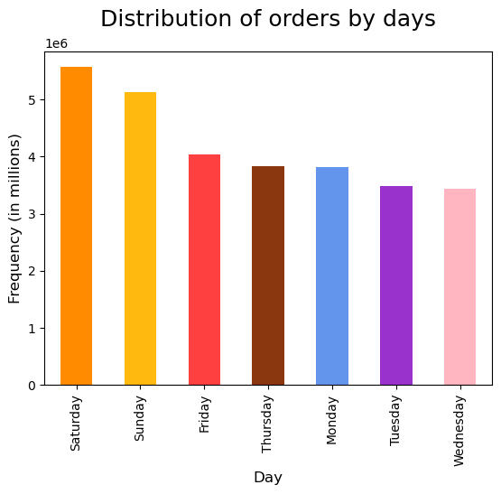 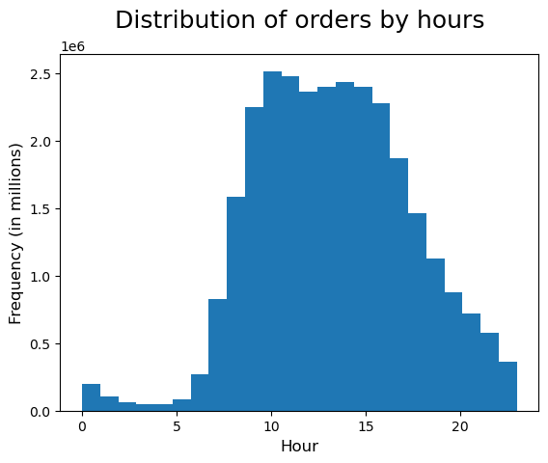
According to the data and as shown in the charts, the busiest days (the days with most orders placed) are Saturday and Sunday, while the least busy are Tuesday and Wednesday. In general, the frequency is higher during the weekend and lower during weekdays. When it comes to hours, the busiest the time range is from 9 to 16, while the least busy is from 0 (midnight) to 6. In general, the frequency decreases from 15 to 6 in the morning.

KEY QUESTION 2: They also want to know whether there are particular times of the day when people spend the most money, as this might inform the type of products they advertise at these times.
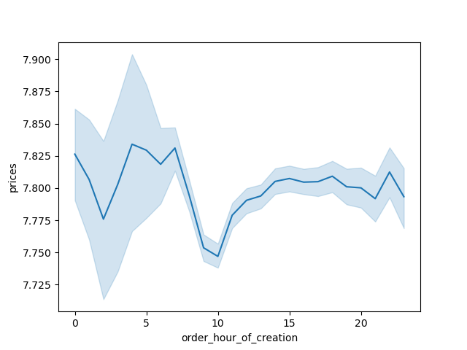 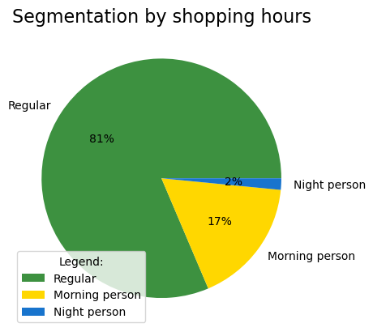
According to the data and as shown in the charts, the spending habit of Instacart's customers slightly fluctuates during the day. There is a negative peak during the morning, then the expenditure rises. Surprisingly, the positive peak is located during the night. Speaking of time habits, we segmented customers into 3 categories (Morning person: order placed from 5:00 to 9:00 - Regular: order placed from 10 to 23 - Night person: order placed from 0:00 to 4:00). As shown in the chart, 81% of orders are placed during regular hours.

KEY QUESTION 3: Instacart has a lot of products with different price tags. Marketing and sales want to use simpler price range groupings to help direct their efforts.
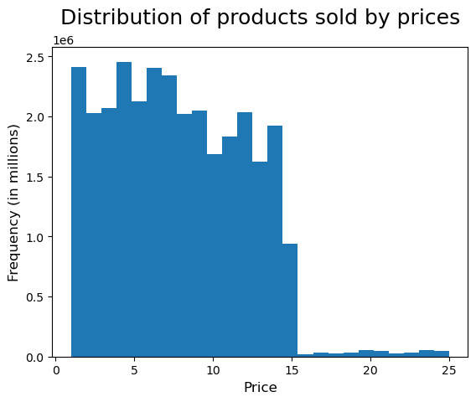 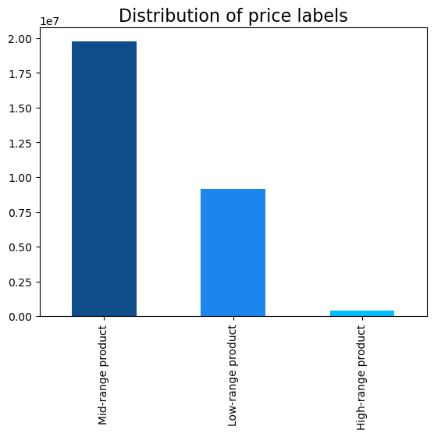
Instacart products costs between 1 USD and 25 USD. The histogram shows the distribution of products sold by prices. Our customers tend to buy more products that costs between 1 USD and 15 USD. We simplified the price range grouping prices in 3 categories: "Low-range products" ( price is > 1 USD and <= 5 USD), "Mid-Range products" (price is > 5 USD and <= 15 USD) and "High-range products" (price is > 15 USD). Keep note that the only products in the "High-range" are the products contained in department_id 12: "Meat Seafood". The distribution of the price labels shows a significative preference towards "Mid-range products".

KEY QUESTION 4: Are there certain types of products that are more popular than others? The marketing and sales teams want to know which departments have the highest frequency of product orders.
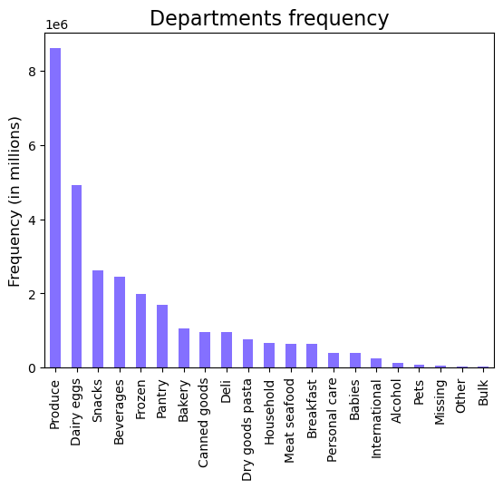 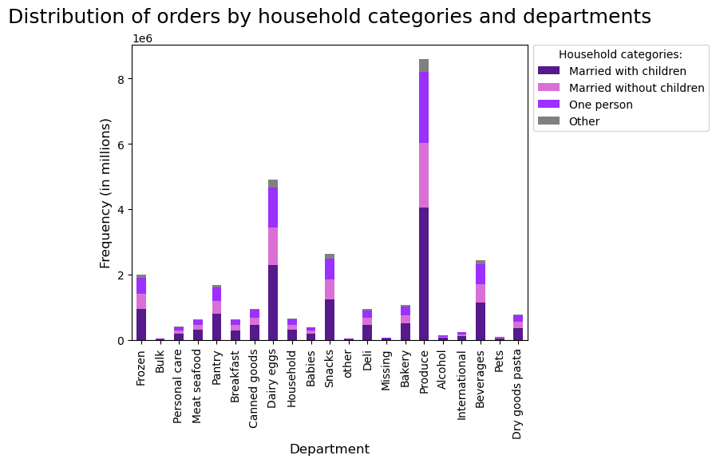
"Produce" and "Dairy eggs" are the departments with the highest frequency in our current data. Honorable mentions also for "Snacks", "Beverages", "Frozen" and "Pantry". In general, food is what our customers seems buy the most, while other departments such as "Household", "Personal care", "Alcohol", "Pets" and "Bulk" have a low frequency. We segmentated our customers into household categories and, according to data, customers "marriedwith children" is the category who contributes the most to all departments.

KEY QUESTION 5: The marketing and sales teams are particularly interested in the different types of customers in their system and how their ordering behaviors differ. For example: What’s the distribution among users in regards to their brand loyalty (i.e., how often do they return to Instacart)? Are there differences in ordering habits based on a customer’s loyalty status? Are there differences in ordering habits based on a customer’s region? Is there a connection between age and family status in terms of ordering habits?
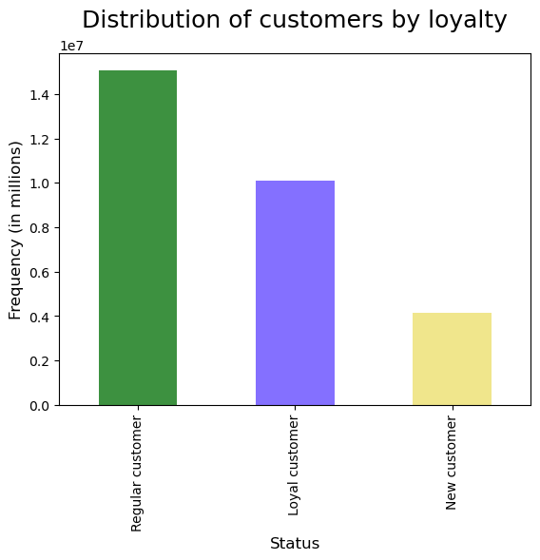 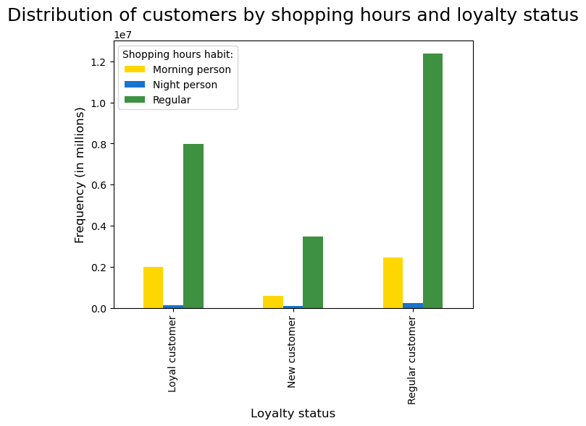
Our customers have been segmented in relation to their max number of orders. If the max order value of a user is > 40, then is a "Loyal Customer". If it's > 10 and <= 40, then is a "Regular Customer". If it's <= 10, then is a "New Customer". According to our data, around half of our products are sold to "Regular" customers, while around the 30% (10 millions) to "Loyal" customers. We analyzed the shopping time behaviour for loyalty categories, but current data is not showing differences in ordering habits.
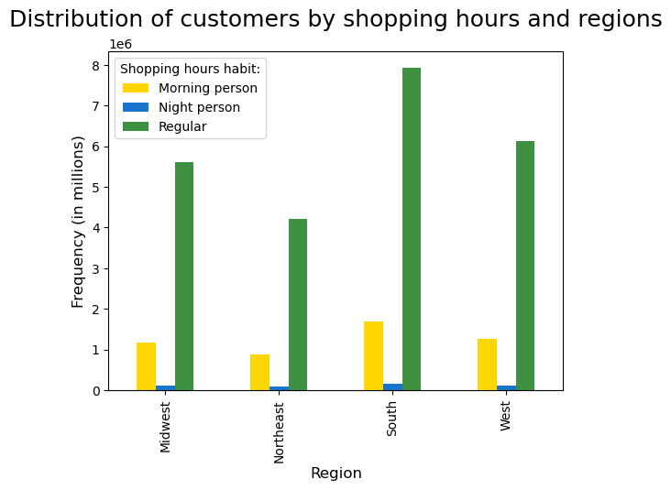 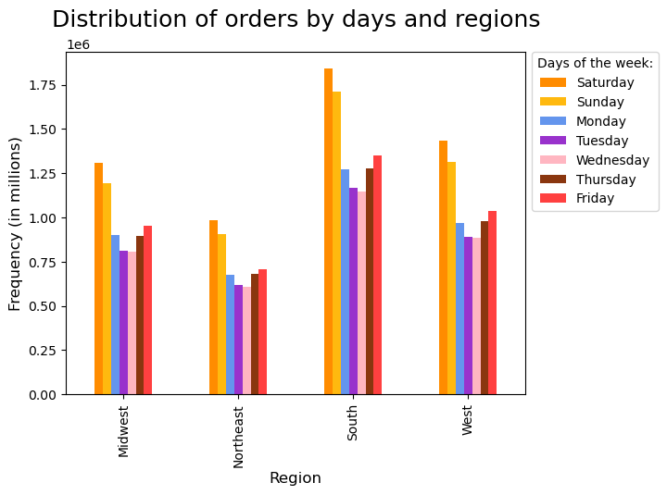 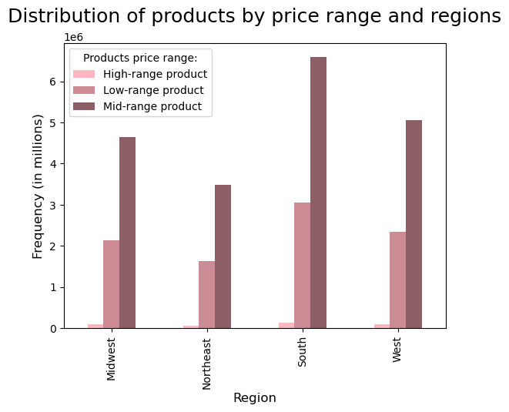
We analyzed our customers' ordering habits based on regions. According to our data, we couldn't find a significative difference between regions. In all regions, our customers tend to place orders mostly during "Regular" daily hours and during the weekend. They also shows a preference toward "Mid-Range" products.

It doesn't seems to exist a correlation between "Age" and "Familiar Status". The chart shows the average number of dependants over age. The value fluctuates without showing a clear pattern. The data is currently pointing toward the fact that a relationship does not exists. This connection could be the object of a future analysis.

KEY QUESTION 6: What different classifications does the demographic information suggest? Age? Income? Certain types of goods? Family status?
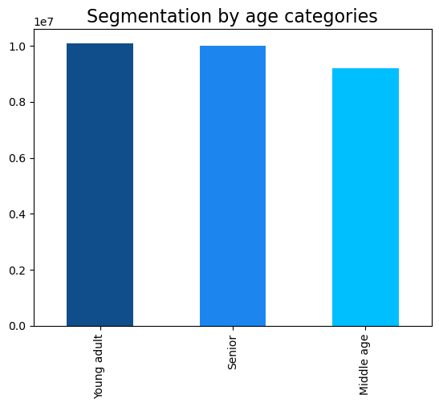 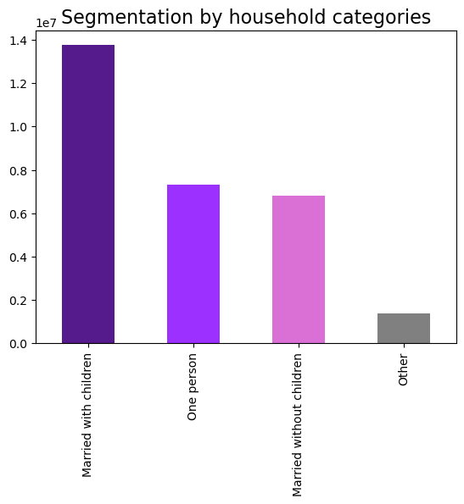 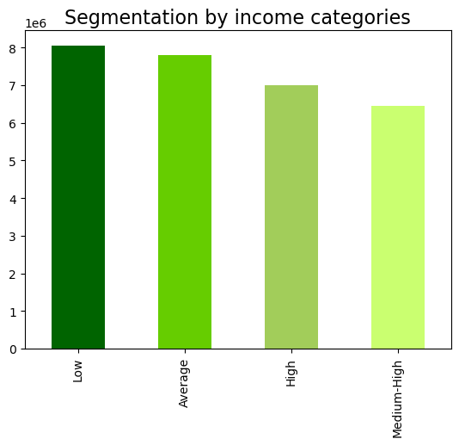
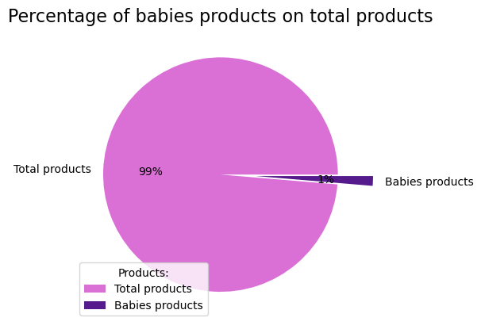 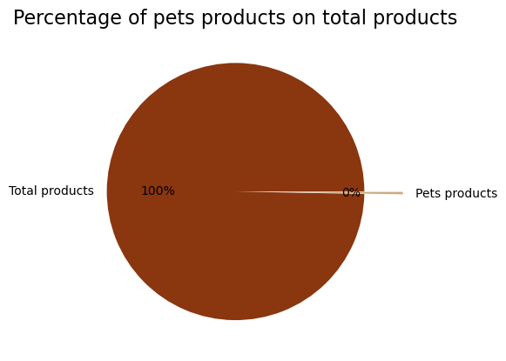
Our customers have been segmented in different categories, according to demographic information or shopping behaviour. All criteria used can be found in the section 5 of this report: "Column derivations", together with the count of values. Age category: the categories are almost equally distributed. Household category: around half of our products are ordered by customers "Married with children". Income category: most of our customers have "Low" or "Average" income. Shopping behaviour: Despite the high percentage of customers with children, "Babies" products ordered represents only 1% of total products ordered. Percentage of pets products ordered is near 0 (in relation to total products ordered). Shopping hour habit: 81% of our products are ordered during the "Regular" daily hours.

KEY QUESTION 7: What differences can you find in ordering habits of different customer profiles? Consider the price and the frequency of orders, the products customers are ordering, and anything else you can think of.
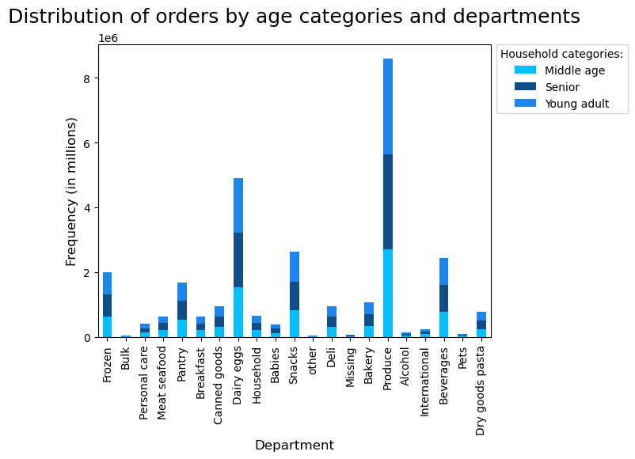 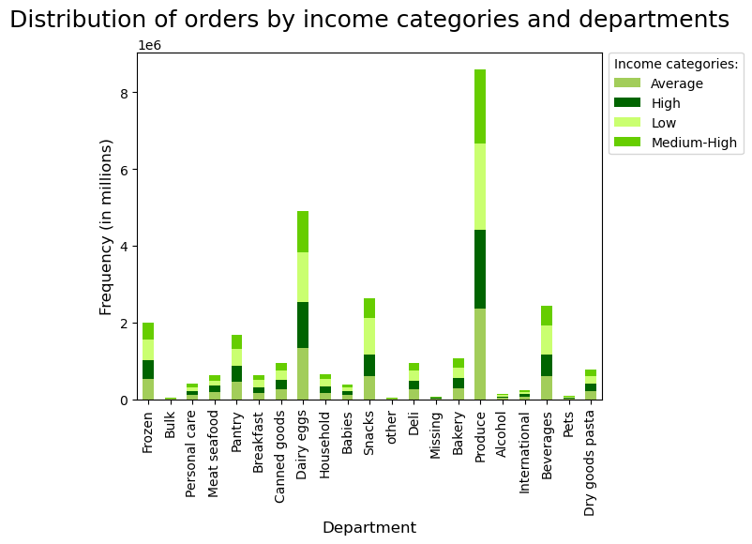
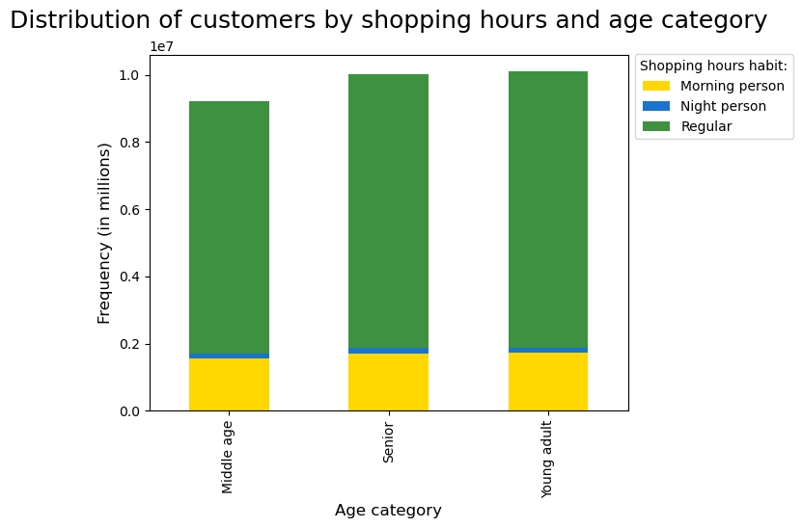 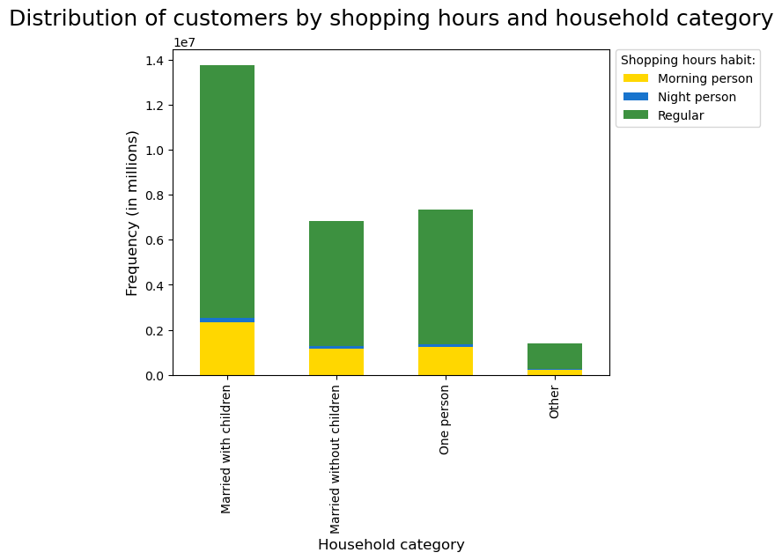 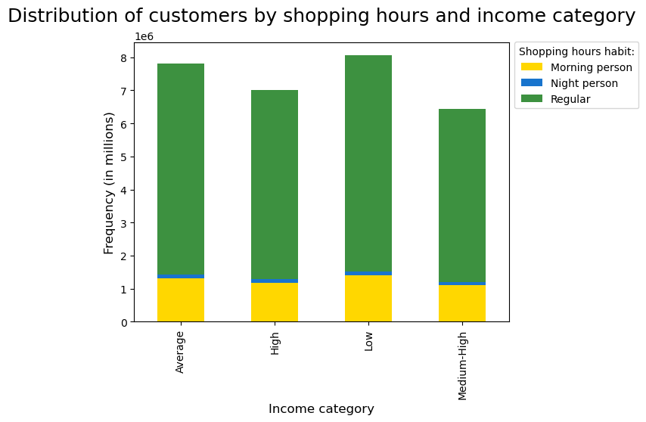
Despite running multiple analyses, I couldn't find significative difference in ordering habits between the different profiles. When it comes to departments and products, the profiled categories shows the same habits. Same goes for the shopping hour habits. It doesn't matter if our customers are old, young, have children or have an high income. 80% of the time, they will still place order during the "Regular" time range. I couldn't find anything of interest among my current data.

7. Recommendations
 |  | Title page

Recommendations

In this tab you should include any recommendations you would made to Instacart in terms of their marketing strategy based on the questions posed in the brief. Every key question has been covered in the Tasks of the Exercises - here you need to add an item - a visualisation or table/crosstable that is showing the answer in the data, acompanied by a comment from you. Please, list the questions below and add the answer underneath.

Question | Answer
Key Question 1 | The days with fewest orders are the weekdays (from Monday to Tuesday) and hour time range with fewest orders is from 15 to 6 (morning of the following day). If Instacart marketing team is planning to schedule ads at times where there are fewer orders, I suggest scheduling them during the following time slots. Days: during weekdays (from Monday to Thursday). Hours: From afternoon (15:00) until early morning (6:00).
Key Question 2 | The expenditure slightly fluctuates during the day. There is a negative peak in the morning. The sales team can use this information to change their advertsiment approach. Breakfast products could be advertised to boost revenue during the morning hours. The shopping hours habit segmentation shows how our customers tend to place order during regular hours (from 10 to 23). I suggest keeping this information in mind and ran promotions, special discounts or time limited offers during the "regular hours" category.
Key Question 3 | Instacart has a lot of products with different price tags, but our customers tend to buy products costing between 1 USD and 15 USD. We simplified the price range grouping in 3 different categories. According to current data, our customers show a preference toward "Mid-range products". Marketing and sales team can use this insight to push even higher the revenue generated by Mid-range products. Conversely, another approach could be to run special discounts on most expensive products, so that customer are more willing to buy them.
Key Question 4 | Between the departments, "Produce" and "Dairy eggs" have the highest frequency. In general, our customers tend to buy food products. Between customers, the "Married with children" category is the one with highest frequency among all departments. As for Key Questions 3, marketing and sales team can either run special promotions on products from the most popular departments to boost revenue or apply discounts on products from least popular departments. I suggest targeting specific customer profiles. For customers "Married with children", advertisments on "Snacks" and "Babies" products could be effective.
Key Question 5 | Half of Instacart products inside the dataframe have been sold to "Regular" Cusrtomers. However, a consistent part of products (30%) have been sold to "Loyal" Customers. Customers loyalty plays a crucial part in a company's growth and should not be overlooked. I suggest to offer special discounts or giveaways to Loyal customers to fidelize them even more. Unfortunately, current data is not showing difference in our customers' ordering habits based on loyalty or regions. Our data is not showing either a connection between age and familiar status.
Key Question 6 | There are multiple ways to segment customers, the possibilities are infinite. I suggest using these insights to target specific profiles. A consistent percentage of Instacart customers are seniors, so sales team could apply special discount dedicated to seniors during specific days. To encourage ordering, a special promotion with free delivery could be applied during the hours with fewer orders (maybe to target the "Morning" person category). In relation to income and customers with high income, Instacart could create a special program where you gain more "points" the more money you spend. Points could be stored and us later to obtain specific rewards or prizes or cashback.
Key Question 7 | Besides what I already included in previous answers and analysis, I couldn't find significative differences in ordering habits between customer profiles. However, this does not mean the differences doesn't exists. Maybe I need to try a different segmentation or maybe I need to analyze additional data. On request of client, I can conduct further analysis and try to produce even more accurate recommendations.

